Dash



 | 2
 | 1 | 26%
 | 1 | 74%
 | 1
 | 1
 | 1
 | 1
 | 1
 | 1
 | 1
 | 1
 | 1
 | 1
 | 1
 | 1
 | 1
 | 1
 | 1
 | 1
 | 1
 | 1
 | 1
 | 1
 | 1
 | 1
 | 1
 | 1
 | 1
 | 1
 | 1
 | 1
 | 2
 | 1 | 26%
 | 1 | 74%
 | 1
 | 1
 | 1
 | 1
 | 1
 | 1
 | 1
 | 1
 | 1
 | 1
 | 1
 | 1
 | 1
 | 1
 | 1
 | 1
 | 1
 | 1
 | 1
 | 1
 | 1
 | 1
 | 1
 | 1
 | 1
 | 1
 | 1
 | 1
 | 2
 | 1 | 26%
 | 1 | 74%
 | 1
 | 1
 | 1
 | 1
 | 1
 | 1
 | 1
 | 1
 | 1
 | 1
 | 1
 | 1
 | 1
 | 1
 | 1
 | 1
 | 1
 | 1
 | 1
 | 1
 | 1
 | 1
 | 1
 | 1
 | 1
 | 1
 | 1
 | 1
 | 2
 | 1 | 26%
 | 1 | 74%
 | 1
 | 1
 | 1
 | 1
 | 1
 | 1
 | 1
 | 1
 | 1
 | 1
 | 1
 | 1
 | 1
 | 1
 | 1
 | 1
 | 1
 | 1
 | 1
 | 1
 | 1
 | 1
 | 1
 | 1
 | 1
 | 1
 | 1
 | 1
 | NET | CURRENT
FEMALE | 100% | 46%
MALE | 100% | 54%
 | Total
EAST | 43626
NORTH | 53479
SOUTH | 49739
WEST | 41028
CUSTOMER DISTRIBUITON PER MODE OF BUSINESS
APSARA
CAMEL
CLASSMATE
DOMS
FABLE CASTLE
NATRAJ
STATE WISE CUSTOMDDER COMPARISION
GENDER WISE CUSTOMERS
AVAILABE BRAND
ZONE WISE #CUSTOMERS

Apsara

 | 2
 | 1 | 26%
 | 1 | 74%
 | 1
 | 1
 | 1
 | 1
 | 1
 | 1
 | 1
 | 1
 | 1
 | 1
 | 1
 | 1
 | 1
 | 1
 | 1
 | 1
 | 1
 | 1
 | 1
 | 1
 | 1
 | 1
 | 1
 | 1
 | 1
 | 1
 | 1
 | 1
 | 2
 | 1 | 26%
 | 1 | 74%
 | 1
 | 1
 | 1
 | 1
 | 1
 | 1
 | 1
 | 1
 | 1
 | 1
 | 1
 | 1
 | 1
 | 1
 | 1
 | 1
 | 1
 | 1
 | 1
 | 1
 | 1
 | 1
 | 1
 | 1
 | 1
 | 1
 | 1
 | 1
 | 2
 | 1 | 26%
 | 1 | 74%
 | 1
 | 1
 | 1
 | 1
 | 1
 | 1
 | 1
 | 1
 | 1
 | 1
 | 1
 | 1
 | 1
 | 1
 | 1
 | 1
 | 1
 | 1
 | 1
 | 1
 | 1
 | 1
 | 1
 | 1
 | 1
 | 1
 | 1
 | 1
 | 2
 | 1 | 26%
 | 1 | 74%
 | 1
 | 1
 | 1
 | 1
 | 1
 | 1
 | 1
 | 1
 | 1
 | 1
 | 1
 | 1
 | 1
 | 1
 | 1
 | 1
 | 1
 | 1
 | 1
 | 1
 | 1
 | 1
 | 1
 | 1
 | 1
 | 1
 | 1
 | 1
 | NET | CURRENT
FEMALE | 100% | 46%
MALE | 100% | 54%
 | Total
EAST | 43626
NORTH | 53479
SOUTH | 49739
WEST | 41028
CUSTOMER DISTRIBUITON PER MODE OF BUSINESS
APSARA
CAMEL
CLASSMATE
DOMS
FABLE CASTLE
NATRAJ
TOP PRODUCT
POPULARTIY WISE
REVENUE WISE
8744
8285
ERASER
NOTEBOOK
CP VS SP
STATE WISE CUSTOMER COMPARISION
GENDER WISE CUSTOMERS
AVAILABE BRAND
ZONE WISE #CUSTOMERS

 | Sum of NET COST PRICE | Sum of NET SALES PRICE
ERASER | 1406 | 3515
GEOMETRY BOX | 5790 | 14475
NOTEBOOK | 3017 | 17240
PEN | 2044 | 5110
PENCIL | 1089 | 1815
SCALE | 260 | 650
SKETCH PEN | 2025 | 6075

Camel
 | 2
 | 1 | 26%
 | 1 | 74%
 | 1
 | 1
 | 1
 | 1
 | 1
 | 1
 | 1
 | 1
 | 1
 | 1
 | 1
 | 1
 | 1
 | 1
 | 1
 | 1
 | 1
 | 1
 | 1
 | 1
 | 1
 | 1
 | 1
 | 1
 | 1
 | 1
 | 1
 | 1
 | 2
 | 1 | 26%
 | 1 | 74%
 | 1
 | 1
 | 1
 | 1
 | 1
 | 1
 | 1
 | 1
 | 1
 | 1
 | 1
 | 1
 | 1
 | 1
 | 1
 | 1
 | 1
 | 1
 | 1
 | 1
 | 1
 | 1
 | 1
 | 1
 | 1
 | 1
 | 1
 | 1
 | 2
 | 1 | 26%
 | 1 | 74%
 | 1
 | 1
 | 1
 | 1
 | 1
 | 1
 | 1
 | 1
 | 1
 | 1
 | 1
 | 1
 | 1
 | 1
 | 1
 | 1
 | 1
 | 1
 | 1
 | 1
 | 1
 | 1
 | 1
 | 1
 | 1
 | 1
 | 1
 | 1
 | 2
 | 1 | 26%
 | 1 | 74%
 | 1
 | 1
 | 1
 | 1
 | 1
 | 1
 | 1
 | 1
 | 1
 | 1
 | 1
 | 1
 | 1
 | 1
 | 1
 | 1
 | 1
 | 1
 | 1
 | 1
 | 1
 | 1
 | 1
 | 1
 | 1
 | 1
 | 1
 | 1
 | NET | CURRENT
FEMALE | 100% | 46%
MALE | 100% | 54%
 | Total
EAST | 43626
NORTH | 53479
SOUTH | 49739
WEST | 41028
 | Sum of NET COST PRICE | Sum of NET SALES PRICE
ERASER | 4684 | 11710
GEOMETRY BOX | 23530 | 58825
NOTEBOOK | 11389 | 65080
PEN | 11216 | 28040
PENCIL | 6198 | 10330
SCALE | 2278 | 5695
SKETCH PEN | 9180 | 27540
CUSTOMER DISTRIBUITON PER MODE OF BUSINESS
APSARA
CAMEL
CLASSMATE
DOMS
FABLE CASTLE
NATRAJ
TOP PRODUCTS
POPULARITY WISE
REVENUE WISE
24764
493920
NOTEBOOK
NOTEBOOK
STATE WISE CUSTOMER COMPARISION
GENDER WISE CUSTOMERS
AVAILABE PRODUCTS
ZONE WISE #CUSTOMERS

CP VS SP

Doms
 | 2
 | 1 | 26%
 | 1 | 74%
 | 1
 | 1
 | 1
 | 1
 | 1
 | 1
 | 1
 | 1
 | 1
 | 1
 | 1
 | 1
 | 1
 | 1
 | 1
 | 1
 | 1
 | 1
 | 1
 | 1
 | 1
 | 1
 | 1
 | 1
 | 1
 | 1
 | 1
 | 1
 | 2
 | 1 | 26%
 | 1 | 74%
 | 1
 | 1
 | 1
 | 1
 | 1
 | 1
 | 1
 | 1
 | 1
 | 1
 | 1
 | 1
 | 1
 | 1
 | 1
 | 1
 | 1
 | 1
 | 1
 | 1
 | 1
 | 1
 | 1
 | 1
 | 1
 | 1
 | 1
 | 1
 | 2
 | 1 | 26%
 | 1 | 74%
 | 1
 | 1
 | 1
 | 1
 | 1
 | 1
 | 1
 | 1
 | 1
 | 1
 | 1
 | 1
 | 1
 | 1
 | 1
 | 1
 | 1
 | 1
 | 1
 | 1
 | 1
 | 1
 | 1
 | 1
 | 1
 | 1
 | 1
 | 1
 | 2
 | 1 | 26%
 | 1 | 74%
 | 1
 | 1
 | 1
 | 1
 | 1
 | 1
 | 1
 | 1
 | 1
 | 1
 | 1
 | 1
 | 1
 | 1
 | 1
 | 1
 | 1
 | 1
 | 1
 | 1
 | 1
 | 1
 | 1
 | 1
 | 1
 | 1
 | 1
 | 1
 | NET | CURRENT
FEMALE | 100% | 46%
MALE | 100% | 54%
 | Total
EAST | 43626
NORTH | 53479
SOUTH | 49739
WEST | 41028
CUSTOMER DISTRIBUITON PER MODE OF BUSINESS
APSARA
CAMEL
CLASSMATE
DOMS
FABLE CASTLE
NATRAJ
STATE WISE CUSTOMER COMPARISION
GENDER WISE CUSTOMERS
AVAILABE BRAND
ZONE WISE #CUSTOMERS

TOP PRODUCT

REVENUE WISE
POPULARTIY WISE

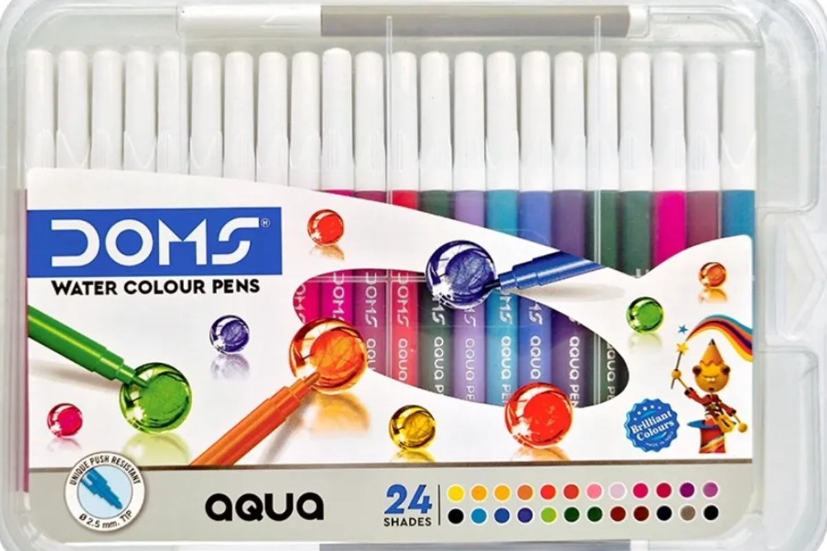



26195
69000

SKETCH PEN
GEOMETRY BOX

CP VS SP

 | Sum of NET COST PRICE | Sum of NET SALES PRICE
ERASER | 1760 | 4400
GEOMETRY BOX | 12360 | 30900
NOTEBOOK | 4935 | 28200
PEN | 4640 | 11600
PENCIL | 2181 | 3635
SCALE | 1210 | 3025
SKETCH PEN | 4560 | 13680

Classmate
 | 2
 | 1 | 26%
 | 1 | 74%
 | 1
 | 1
 | 1
 | 1
 | 1
 | 1
 | 1
 | 1
 | 1
 | 1
 | 1
 | 1
 | 1
 | 1
 | 1
 | 1
 | 1
 | 1
 | 1
 | 1
 | 1
 | 1
 | 1
 | 1
 | 1
 | 1
 | 1
 | 1
 | 2
 | 1 | 26%
 | 1 | 74%
 | 1
 | 1
 | 1
 | 1
 | 1
 | 1
 | 1
 | 1
 | 1
 | 1
 | 1
 | 1
 | 1
 | 1
 | 1
 | 1
 | 1
 | 1
 | 1
 | 1
 | 1
 | 1
 | 1
 | 1
 | 1
 | 1
 | 1
 | 1
 | 2
 | 1 | 26%
 | 1 | 74%
 | 1
 | 1
 | 1
 | 1
 | 1
 | 1
 | 1
 | 1
 | 1
 | 1
 | 1
 | 1
 | 1
 | 1
 | 1
 | 1
 | 1
 | 1
 | 1
 | 1
 | 1
 | 1
 | 1
 | 1
 | 1
 | 1
 | 1
 | 1
 | 2
 | 1 | 26%
 | 1 | 74%
 | 1
 | 1
 | 1
 | 1
 | 1
 | 1
 | 1
 | 1
 | 1
 | 1
 | 1
 | 1
 | 1
 | 1
 | 1
 | 1
 | 1
 | 1
 | 1
 | 1
 | 1
 | 1
 | 1
 | 1
 | 1
 | 1
 | 1
 | 1
 | NET | CURRENT
FEMALE | 100% | 46%
MALE | 100% | 54%
 | Total
EAST | 43626
NORTH | 53479
SOUTH | 49739
WEST | 41028
CUSTOMER DISTRIBUITON PER MODE OF BUSINESS
APSARA
CAMEL
CLASSMATE
DOMS
FABLE CASTLE
NATRAJ
STATE WISE CUSTOMER COMPARISION
GENDER WISE CUSTOMERS
AVAILABE BRAND
ZONE WISE #CUSTOMERS

TOP PRODUCT

POPULARITY WISE
REVENUE WISE

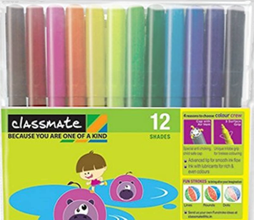
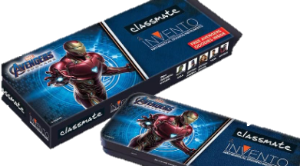

144441
136280

SKETCH PEN
GEOMETRY BOX

CP VS SP

 | Sum of NET COST PRICE | Sum of NET SALES PRICE
ERASER | 17276 | 43190
GEOMETRY BOX | 97030 | 242575
NOTEBOOK | 63476 | 362720
PEN | 40748 | 101870
PENCIL | 27552 | 45920
SCALE | 20182 | 50455
SKETCH PEN | 52465 | 157395

Natraj
 | 2
 | 1 | 26%
 | 1 | 74%
 | 1
 | 1
 | 1
 | 1
 | 1
 | 1
 | 1
 | 1
 | 1
 | 1
 | 1
 | 1
 | 1
 | 1
 | 1
 | 1
 | 1
 | 1
 | 1
 | 1
 | 1
 | 1
 | 1
 | 1
 | 1
 | 1
 | 1
 | 1
 | 2
 | 1 | 26%
 | 1 | 74%
 | 1
 | 1
 | 1
 | 1
 | 1
 | 1
 | 1
 | 1
 | 1
 | 1
 | 1
 | 1
 | 1
 | 1
 | 1
 | 1
 | 1
 | 1
 | 1
 | 1
 | 1
 | 1
 | 1
 | 1
 | 1
 | 1
 | 1
 | 1
 | 2
 | 1 | 26%
 | 1 | 74%
 | 1
 | 1
 | 1
 | 1
 | 1
 | 1
 | 1
 | 1
 | 1
 | 1
 | 1
 | 1
 | 1
 | 1
 | 1
 | 1
 | 1
 | 1
 | 1
 | 1
 | 1
 | 1
 | 1
 | 1
 | 1
 | 1
 | 1
 | 1
 | 2
 | 1 | 26%
 | 1 | 74%
 | 1
 | 1
 | 1
 | 1
 | 1
 | 1
 | 1
 | 1
 | 1
 | 1
 | 1
 | 1
 | 1
 | 1
 | 1
 | 1
 | 1
 | 1
 | 1
 | 1
 | 1
 | 1
 | 1
 | 1
 | 1
 | 1
 | 1
 | 1
 | NET | CURRENT
FEMALE | 100% | 46%
MALE | 100% | 54%
 | Total
EAST | 43626
NORTH | 53479
SOUTH | 49739
WEST | 41028
CUSTOMER DISTRIBUITON PER MODE OF BUSINESS
APSARA
CAMEL
CLASSMATE
DOMS
FABLE CASTLE
NATRAJ
STATE WISE CUSTOMER COMPARISION
GENDER WISE CUSTOMERS
AVAILABE BRAND
ZONE WISE #CUSTOMERS
TOP PRODUCT

PRODCUT WISE
REVENUE WISE



24411
28010

PEN
GEOMETRY BOX

CP VS SP

 | Sum of NET SALES PRICE | Sum of NET COST PRICE
ERASER | 11710 | 4684
GEOMETRY BOX | 58825 | 23530
NOTEBOOK | 65080 | 11389
PEN | 28040 | 11216
PENCIL | 10330 | 6198
SCALE | 5695 | 2278
SKETCH PEN | 27540 | 9180

Fable Castle
 | 2
 | 1 | 26%
 | 1 | 74%
 | 1
 | 1
 | 1
 | 1
 | 1
 | 1
 | 1
 | 1
 | 1
 | 1
 | 1
 | 1
 | 1
 | 1
 | 1
 | 1
 | 1
 | 1
 | 1
 | 1
 | 1
 | 1
 | 1
 | 1
 | 1
 | 1
 | 1
 | 1
 | 2
 | 1 | 26%
 | 1 | 74%
 | 1
 | 1
 | 1
 | 1
 | 1
 | 1
 | 1
 | 1
 | 1
 | 1
 | 1
 | 1
 | 1
 | 1
 | 1
 | 1
 | 1
 | 1
 | 1
 | 1
 | 1
 | 1
 | 1
 | 1
 | 1
 | 1
 | 1
 | 1
 | 2
 | 1 | 26%
 | 1 | 74%
 | 1
 | 1
 | 1
 | 1
 | 1
 | 1
 | 1
 | 1
 | 1
 | 1
 | 1
 | 1
 | 1
 | 1
 | 1
 | 1
 | 1
 | 1
 | 1
 | 1
 | 1
 | 1
 | 1
 | 1
 | 1
 | 1
 | 1
 | 1
 | 2
 | 1 | 26%
 | 1 | 74%
 | 1
 | 1
 | 1
 | 1
 | 1
 | 1
 | 1
 | 1
 | 1
 | 1
 | 1
 | 1
 | 1
 | 1
 | 1
 | 1
 | 1
 | 1
 | 1
 | 1
 | 1
 | 1
 | 1
 | 1
 | 1
 | 1
 | 1
 | 1
 | NET | CURRENT
FEMALE | 100% | 46%
MALE | 100% | 54%
 | Total
EAST | 43626
NORTH | 53479
SOUTH | 49739
WEST | 41028
CUSTOMER DISTRIBUITON PER MODE OF BUSINESS
APSARA
CAMEL
CLASSMATE
DOMS
FABLE CASTLE
NATRAJ
STATE WISE CUSTOMER COMPARISION
GENDER WISE CUSTOMERS
AVAILABE BRAND
ZONE WISE #CUSTOMERS
TOP PRODUCT

POPULARITY WISE
REVENUE WISE




79360
24411

PEN
NOTEBOOK

CP VS SP

 | Sum of NET COST PRICE | Sum of NET SALES PRICE
ERASER | 1776 | 4440
GEOMETRY BOX | 11330 | 28325
NOTEBOOK | 8820 | 50400
PEN | 6004 | 15010
PENCIL | 4260 | 7100
SCALE | 2524 | 6310
SKETCH PEN | 4660 | 13980

